OPCODE Map
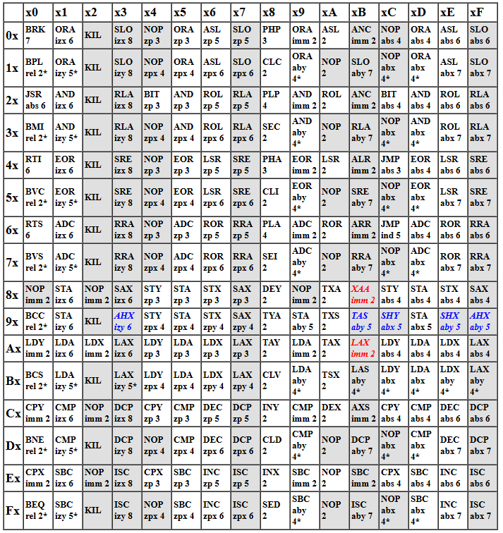
 | IMP | IMM | ZP0 | ZPX | ZPY | ABS | ABX | ABY | IND | IZX | IZY | REL
ADC - Add with Carry |  | $69 | $65 | $75 |  | $6D | $7D | $79 |  | $61 | $71 |  | A = A + memory + C
AND - Bitwise AND |  | $29 | $25 | $35 |  | $2D | $3D | $39 |  | $21 | $31 |  | A = A & memory
ASL - Arithmetic Shift Left | $0A |  | $06 | $16 |  | $0E | $1E |  |  |  |  |  | value = value << 1 |  | C <- [76543210] <- 0
BCC - Branch if Carry Clear |  |  |  |  |  |  |  |  |  |  |  | $90 | PC = PC + 2 + memory (signed)
BCS - Branch if Carry Set |  |  |  |  |  |  |  |  |  |  |  | $B0 | PC = PC + 2 + memory (signed)
BEQ - Branch if Equal |  |  |  |  |  |  |  |  |  |  |  | $F0 | PC = PC + 2 + memory (signed)
BIT - Bit Test |  |  | $24 |  |  | $2C |  |  |  |  |  |  | A & memory
BMI - Branch if Minus |  |  |  |  |  |  |  |  |  |  |  | $30 | PC = PC + 2 + memory (signed)
BNE - Branch if Not Equal |  |  |  |  |  |  |  |  |  |  |  | $D0 | PC = PC + 2 + memory (signed)
BPL - Branch if Plus |  |  |  |  |  |  |  |  |  |  |  | $10 | PC = PC + 2 + memory (signed)
BRK - Break (software IRQ) | $00 | $00 |  |  |  |  |  |  |  |  |  |  | push PC + 2 to stack push NV11DIZC flags to stack PC = ($FFFE)

BVC - Branch if Overflow Clear |  |  |  |  |  |  |  |  |  |  |  | $50 | PC = PC + 2 + memory (signed)
BVS - Branch if Overflow Set |  |  |  |  |  |  |  |  |  |  |  | $70 | PC = PC + 2 + memory (signed)
CLC - Clear Carry | $18 |  |  |  |  |  |  |  |  |  |  |  | C = 0
CLD - Clear Decimal | $D8 |  |  |  |  |  |  |  |  |  |  |  | D = 0
CLI - Clear Interrupt Disable | $58 |  |  |  |  |  |  |  |  |  |  |  | I = 0
CLV - Clear Overflow | $B8 |  |  |  |  |  |  |  |  |  |  |  | V = 0
CMP - Compare A |  | $C9 | $C5 | $D5 |  | $CD | $DD | $D9 |  | $C1 | $D1 |  | A - memory
CPX - Compare X |  | $E0 | $E4 |  |  | $EC |  |  |  |  |  |  | X - memory
CPY - Compare Y |  | $C0 | $C4 |  |  | $CC |  |  |  |  |  |  | Y - memory
DEC - Decrement Memory |  |  | $C6 | $D6 |  | $CE | $DE |  |  |  |  |  | memory = memory - 1
DEX - Decrement X | $CA |  |  |  |  |  |  |  |  |  |  |  | X = X - 1
DEY - Decrement Y | $88 |  |  |  |  |  |  |  |  |  |  |  | Y = Y - 1
EOR - Bitwise Exclusive OR |  | $49 | $45 | $55 |  | $4D | $5D | $59 |  | $41 | $51 |  | A = A ^ memory
INC - Increment Memory |  |  | $E6 | $F6 |  | $EE | $FE |  |  |  |  |  | memory = memory + 1
INX - Increment X | $E8 |  |  |  |  |  |  |  |  |  |  |  | X = X + 1
INY - Increment Y | $C8 |  |  |  |  |  |  |  |  |  |  |  | Y = Y + 1
JMP - Jump |  |  |  |  |  | $4C |  |  | $6C |  |  |  | PC = memory
JSR - Jump to Subroutine |  |  |  |  |  | $20 |  |  |  |  |  |  | push PC + 1 to stack |  | PC = memory
LDA - Load A |  | $A9 | $A5 | $B5 |  | $AD | $BD | $B9 |  | $A1 | $B1 |  | A = memory
LDX - Load X |  | $A2 | $A6 |  | $B6 | $AE |  | $BE |  |  |  |  | X = memory
LDY - Load Y |  | $A0 | $A4 | $B4 |  | $AC | $BC |  |  |  |  |  | Y = memory
LSR - Logical Shift Right | $4A |  | $46 | $56 |  | $4E | $5E |  |  |  |  |  | value = value >> 1 |  | 0 -> [76543210] -> C
NOP - No Operation | $EA |  |  |  |  |  |  |  |  |  |  |  | NOP has no effect; it merely wastes space and CPU cycles.
ORA - Bitwise OR |  | $09 | $05 | $15 |  | $0D | $1D | $19 |  | $01 | $11 |  | A = A | memory
PHA - Push A | $48 |  |  |  |  |  |  |  |  |  |  |  | ($0100 + SP) = A |  | SP = SP - 1 |  | Break pushed as 1
PHP - Push Processor Status | $08 |  |  |  |  |  |  |  |  |  |  |  | ($0100 + SP) = NV11DIZC |  | SP = SP - 2
PLA - Pull A | $68 |  |  |  |  |  |  |  |  |  |  |  | SP = SP + 1 |  | A = ($0100 + SP)
PLP - Pull Processor Status | $28 |  |  |  |  |  |  |  |  |  |  |  | SP = SP + 1 |  | NVxxDIZC = ($0100 + SP)
ROL - Rotate Left | $2A |  | $26 | $36 |  | $2E | $3E |  |  |  |  |  | value = value << 1 through C |  |  | C <- [76543210] <- C
ROR - Rotate Right | $6A |  | $66 | $76 |  | $6E | $7E |  |  |  |  |  | value = value >> 1 through C |  |  | C -> [76543210] -> C
RTI - Return from Interrupt | $40 |  |  |  |  |  |  |  |  |  |  |  | pull NVxxDIZC flags from stack |  |  | pull PC from stack
RTS - Return from Subroutine | $60 |  |  |  |  |  |  |  |  |  |  |  | pull PC from stack |  |  | PC = PC + 1
SBC - Subtract with Carry |  | $E9 | $E5 | $F5 |  | $ED | $FD | $F9 |  | $E1 | $F1 |  | A = A - memory - ~C |  |  | A = A + ~memory + C
SEC - Set Carry | $38 |  |  |  |  |  |  |  |  |  |  |  | C = 1
SED - Set Decimal | $F8 |  |  |  |  |  |  |  |  |  |  |  | D = 1
SEI - Set Interrupt Disable | $78 |  |  |  |  |  |  |  |  |  |  |  | I = 1 | The effect of changing this flag is delayed 1 instruction.

STA - Store A |  |  | $85 | $95 |  | $8D | $9D | $99 |  | $81 | $91 |  | memory = A
STX - Store X |  |  | $86 |  | $96 | $8E |  |  |  |  |  |  | memory = X
STY - Store Y |  |  | $84 | $94 |  | $8C |  |  |  |  |  |  | memory = Y
TAX - Transfer A to X | $AA |  |  |  |  |  |  |  |  |  |  |  | X = A
TAY - Transfer A to Y | $A8 |  |  |  |  |  |  |  |  |  |  |  | Y = A
TSX - Transfer Stack Pointer to X | $BA |  |  |  |  |  |  |  |  |  |  |  | X = SP
TXA - Transfer X to A | $8A |  |  |  |  |  |  |  |  |  |  |  | A = X
TXS - Transfer X to Stack Pointer | $9A |  |  |  |  |  |  |  |  |  |  |  | SP = X
TYA - Transfer Y to A | $98 |  |  |  |  |  |  |  |  |  |  |  | A = Y

